Sheet1
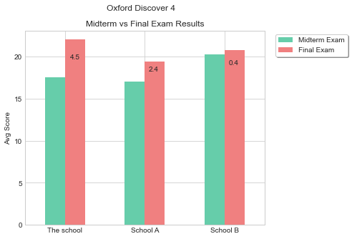
Other Schools | Midterm Exam | Final Exam
Compared to School A | 0.4 | 2.6
Compared to School B | -2.8 | 1.3

